LTC Base Rates
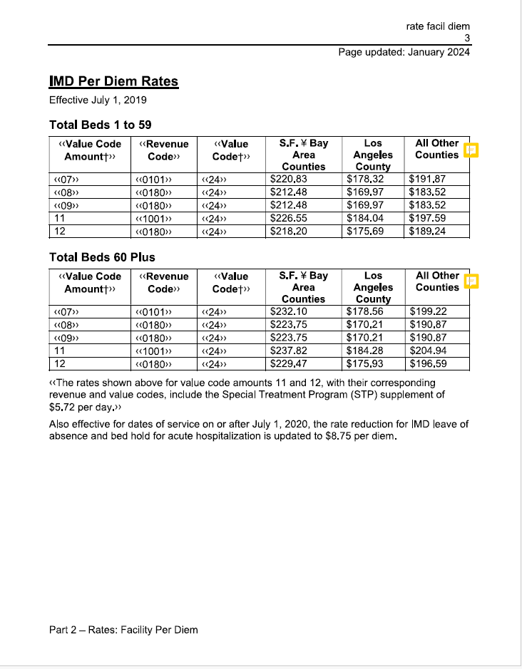
https://mcweb.apps.prd.cammis.medi-cal.ca.gov/assets/10E7693B-4B5A-45CC-A75C-4C197B9D25A8/ratefacildiem.pdf?access_token=6UyVkRRfByXTZEWIh8j8QaYylPyP5ULO

